TB-D-Z192
Smart tool holder cabinet selection and configuration table
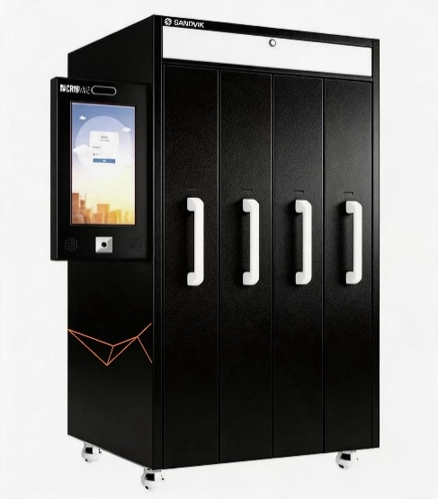
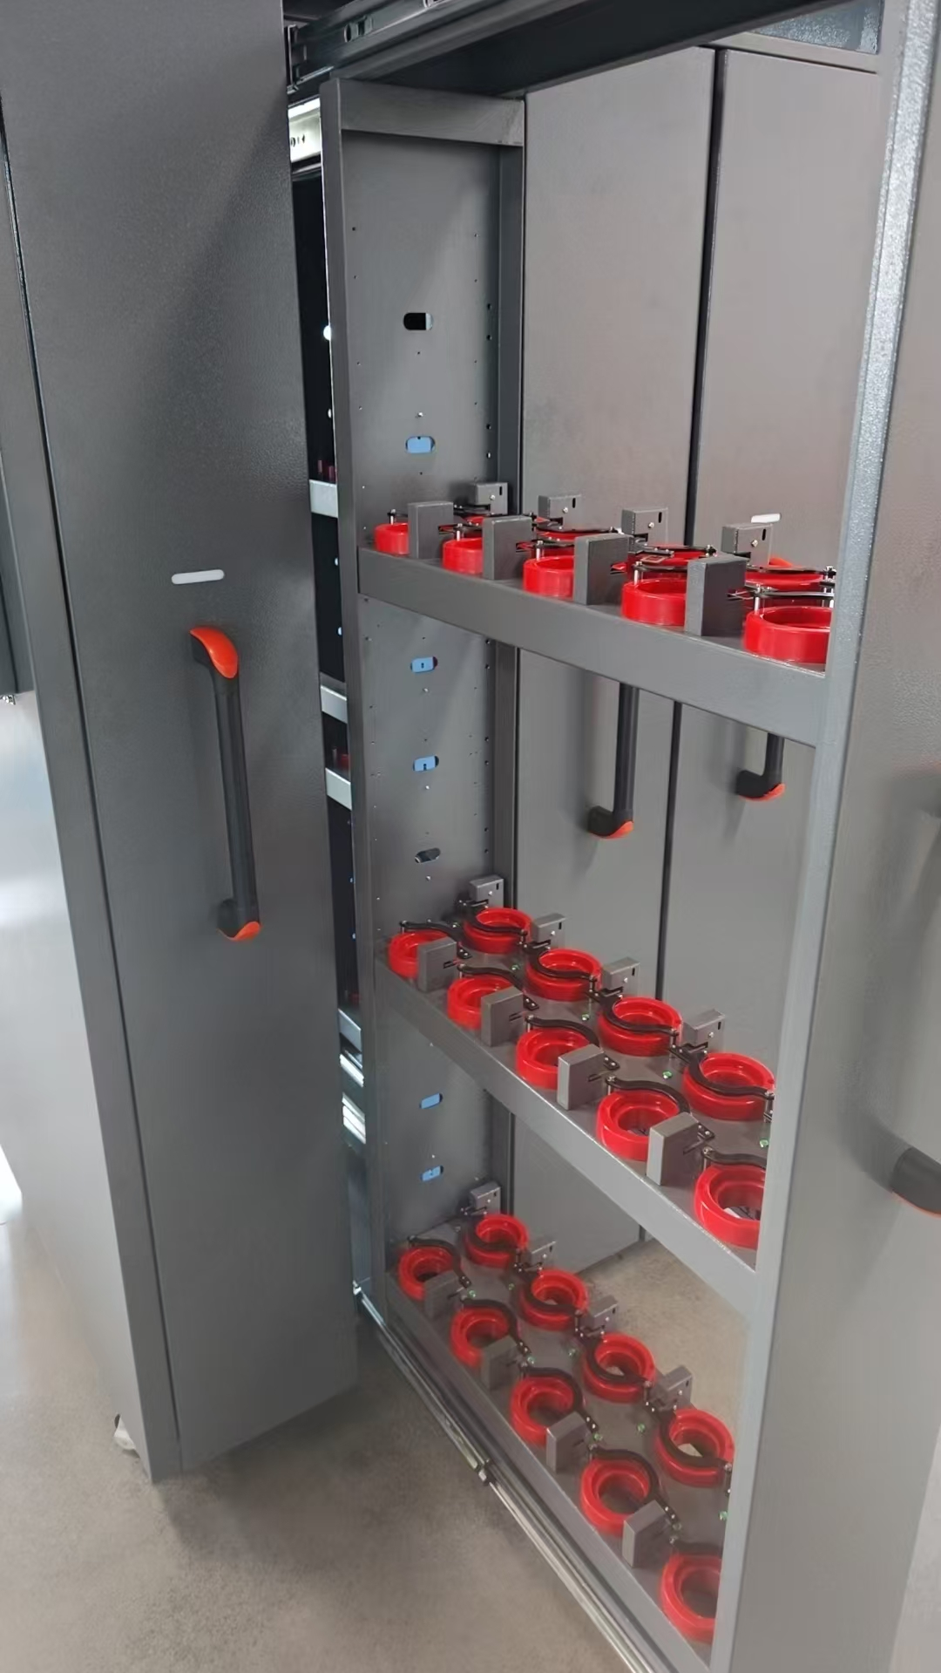

Cabinet type | Product models | Single unit size (mm) | Unit weight (kg) | Standard configuration | Note
Main cabinet | AHNO-TB-D-Z192 | 1527*1035*1968 | 380 | 21.5-inch touchscreen + standard server

Tool holder specification selection
Drawer number | Handle specifications | Handle height (including Latin) | Number per unit | Number of compartments per floor | Note
1 |  | #N/A | #N/A | #N/A
2 |  | #N/A | #N/A | #N/A
3 |  | #N/A | #N/A | #N/A
4 |  | #N/A | #N/A | #N/A

Parameter name | specifications | Customer configuration | Note
Power specifications | AC220V
Socket standards
Brand

TB-D-F192
Smart tool holder cabinet selection and configuration table


Cabinet type | Product models | Single unit size (mm) | Unit weight (kg) | Standard configuration | Note
Secondary cabinet | AHNO-TB-D-F192 | 1125*1035*1968 | 365

Tool holder specification selection
Drawer number | Handle specifications | Handle height (including Latin) | Number per unit | Number of compartments per floor | Note
1 |  | #N/A | #N/A | #N/A
2 |  | #N/A | #N/A | #N/A
3 |  | #N/A | #N/A | #N/A
4 |  | #N/A | #N/A | #N/A

Parameter name | specifications | Customer configuration | Note
Power specifications | AC220V
Socket standards
logo

